Task #1 - Web-scraping
Purpose of this task | To scrape all start-up companies listed on the "https://www.cityu.edu.hk/hktech300/start-ups/all-start-ups" page. There are 40 pages in total on the aforementioned page and we are looking at getting information on all companies listed on all 40 pages. The information that we are looking at getting for each listed company are as follow: 1. Company Name 2. CityU URL 3. Company website 4. Email
Deliverables | 1. Your Python code that addresses this task* 2. Output data for this task (Detailed in step #3 below). Your output data can be in either .csv / .xls / .xlsx format. * Follow through Step #1 to Step #3 highlighted below to ensure that your python code captures all details highlighted in these steps. We are happy for you to use ANY Python libraries that you would need for this task.

Steps | Task
1 | 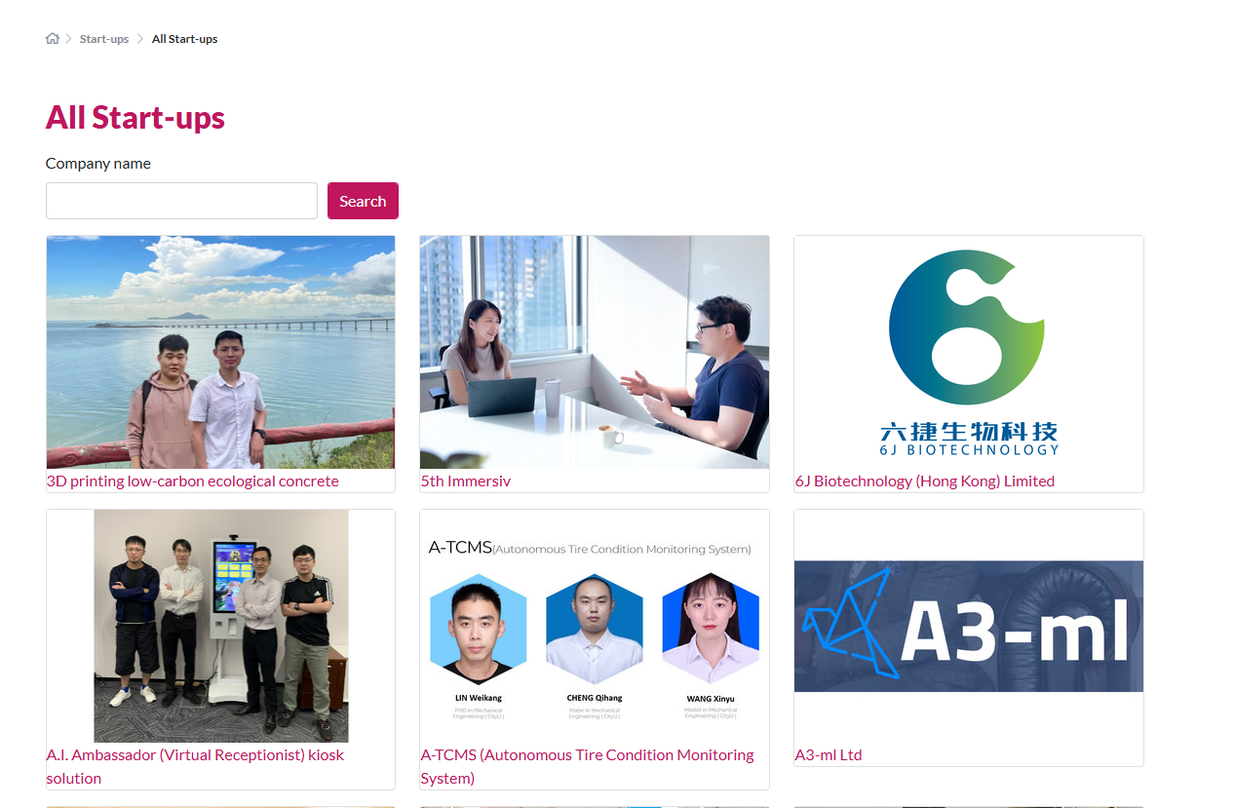 Navigate to the following page "https://www.cityu.edu.hk/hktech300/start-ups/all-start-ups" to scrape information of all start-up companies on each page. There are 40 pages in total on the aforementioned page and we will require ALL 40 pages to be scrapped.

2 | Write a code in Python to scrape each start-up company's "CityU URL". Sample Output is as shown below:
 | Company Name | CityU URL
 | 3D printing low-carbon ecological concrete | https://www.cityu.edu.hk/hktech300/start-ups/seed-fund-teams/3d-printing-low-carbon-ecological-concrete
 | 5th Immersiv | https://www.cityu.edu.hk/hktech300/start-ups/seed-fund-teams/5th-immersiv

3 | In your python code, navigate to each start-up company's individual page and scrape the "Company website" and "Email" information. We have provided a sample output below and your output should contain the exact same columns as well:
 | Company Name | CityU URL | Company Website | Email
 | 3D printing low-carbon ecological concrete | https://www.cityu.edu.hk/hktech300/start-ups/seed-fund-teams/3d-printing-low-carbon-ecological-concrete | No Info Found | No Info Found
 | 5th Immersiv | https://www.cityu.edu.hk/hktech300/start-ups/seed-fund-teams/5th-immersiv | https://brideunionhk.com/ | martin@bride-union.com

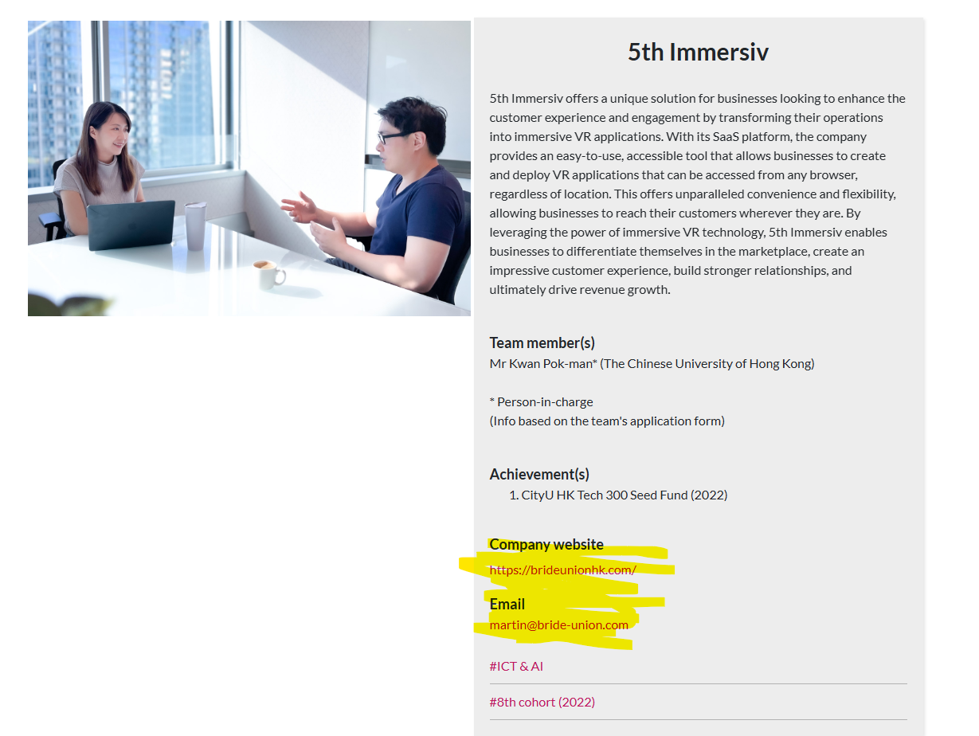

 |  | << We require this information in the ouput
 |  | << We require this information in the ouput

Task #2 - WhatCMS API
Purpose of this task | To enrich the 50 URLs provided in the "WHATCMS INPUT" excel tab with information retrieved from the WhatCMS platform which is a platform that allows us to know the CMS (Content Management System) / technology that a website is using. The list of information that we are looking to retrieve from WhatCMS pertaining to each individual website are as follow: 1. whatcms_link 2. Blog_CMS 3. E-commerce_CMS 4. Programming_Language 5. Database 6. CDN 7. Web_Server 8. Landing_Page_Builder_CMS 9. Operating_System 10. Web_Framework 11. whatcms_response
Deliverables | 1. Your Python code that addresses this task* 2. Output data for this task (Detailed in step #3 below). Your output data can be in either .csv / .xls / .xlsx format. * Follow through Step #1 to Step #3 highlighted below to ensure that your python code captures all details highlighted in these steps. We are happy for you to use ANY Python libraries that you would need for this task.

Step | Task
1 | 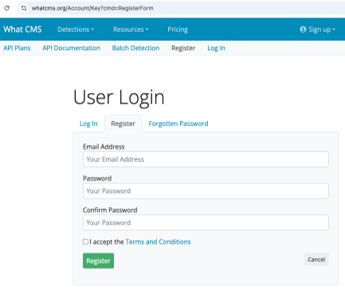 Navigate to https://whatcms.org/Account/Key?cmd=RegisterForm and register for a free account. For free accounts, do note that you will be entitled to 500 free API calls. Should you run out of API calls while building your solution, you can re-create a new account to get another 500 free API credits.

2 | After you have signed up for a free account, navigate to https://whatcms.org/Account/Key to get your API key
3 | Taking the URLs listed in the "WHATCMS INPUT" excel tab (50 URLs in total), write your code in Python to call the WhatCMS API (using API key in step #2)* to enrich said list of URLs with information retrieved from the WhatCMS API call. The following is an example output on 3 URLs listed in the "WHATCMS INPUT" excel tab and your output should contain the exact same columns listed for all 50 URLs:

 | * Documentation on WhatCMS API: https://whatcms.org/Documentation

